Network Device require AD-LDAP
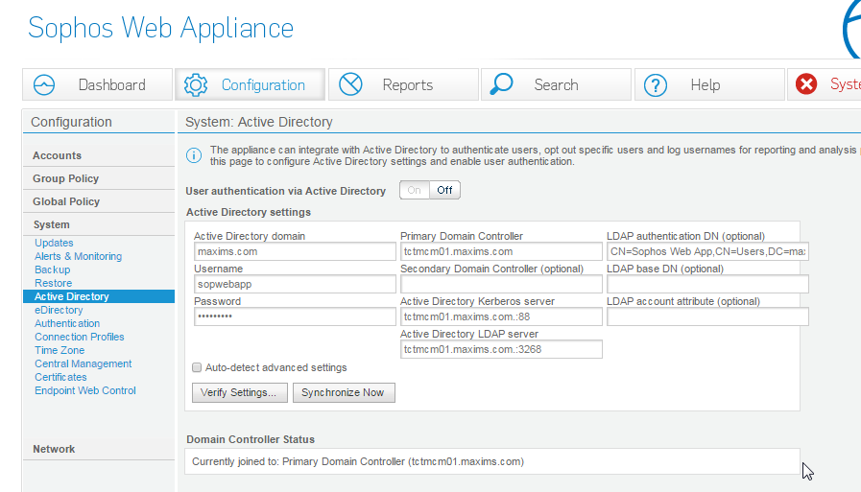
1 | Fortigate 1500D (10.20.88.2)
 | And its LDAP setting below

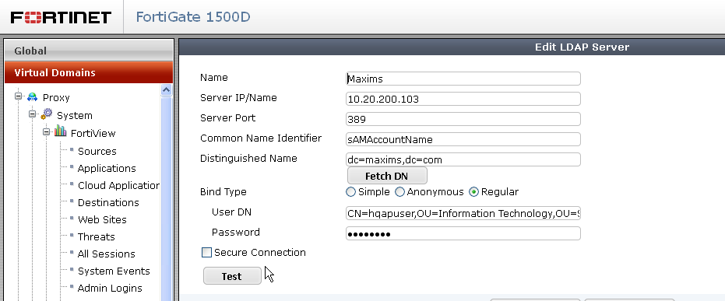

2 | Sophos Web Appliance x 3

